Basic Data
Annex CR Version M1.1 (Audit year 2026 / Indicator year 2025)
Basic Data Skin

Reg.-No. | Not listed

Centre

Clinical site

Institution identification (II) number |  |  |  |  |  |  |  |  | Date recorded

Clinical sites number |  |  |  |  |  |  |  |  | Date first certification |  |  |  | -----

Contact |  |  |  |  |  |  |  |  | Indicator year |  |  |  | 2025

Federal state / Country

Tumour documentation system |  |  |  |  |  |  | XML-OncoBox
 |  |  |  |  |  |  | Not yet available

Invasive malignant melanomas5) |  | SKIN |  |  |  |  |  |  |  |  |  |  |  | Uveal, conjunctival, mucosal3) | not classifi-able (e.g.: pTx)4). | Total
 |  | with primary tumour |  |  |  |  |  |  |  |  |  | with no primary tumour
 |  | IA 1) | IB 1) | IIA 1) | IIB 1) | IIC 1) | IIIA 1) | IIIB 1) | IIIC 1) | IIID 1) | IV 1) | IIIB/IIIC1) | IV1)
5.2) a) Patients with primary disease (= patients with initial diagnosis malignant melanoma) |  |  |  |  |  |  |  |  |  |  |  |  |  |  |  | 0
b) Number of cases with primary disease (= in the calendar year further synchronous/metachronous diagnoses of malignant melanomas at a different location, no recurrence, no stage shift) |  |  |  |  |  |  |  |  |  |  |  |  |  |  |  | 0
6. a) Patients with second/third melanoma at different location (= patient already diagnosed with a malignant melanoma in a previous calendar year. Now: second/third malignant melanoma at a different site). |  |  |  |  |  |  |  |  |  |  |  |  |  |  |  | 0
b) Number of cases with second/third melanoma (= in the calendar year further synchronous/metachronous diagnoses of malignant melanomas at a different location, no recurrence, no stage shift) |  |  |  |  |  |  |  |  |  |  |  |  |  |  |  | 0
7. Patients with stage shift/recurrence (= patient already diagnosed with a malignant melanoma in a previous or in the current calendar year. Now: recurrence, stage shift including new remote metastasis) |  |  |  |  |  |  |  |  |  |  |  |  |  |  |  | 0
Optional: 8. Patients with ongoing therapy (= patients with ongoing therapy who have not already been counted in the categories 5-7 for the calendar year, counted 1x/calendar year) |  |  |  |  |  |  |  |  |  |  |  |  |  |  |  | 0
Optional: 9. Patients in aftercare (= patients who are not undergoing therapy in aftercare who have not already been counted in the categories 5-7 for the calendar year, counted 1x/calendar year) |  |  |  |  |  |  |  |  |  |  |  |  |  |  |  | 0
Primary cases patients with malignant melanoma =5a) + 6a) |  | 0 | 0 | 0 | 0 | 0 | 0 | 0 | 0 | 0 | 0 | 0 | 0 | 0 | 0 | 0
Centre patients = 5a) + 6a) +7) |  | 0 | 0 | 0 | 0 | 0 | 0 | 0 | 0 | 0 | 0 | 0 | 0 | 0 | 0 | 0
All patients with a malignant melanoma (with optional) = 5a) + 6a) + 7) + 8 + 9) |  | 0 | 0 | 0 | 0 | 0 | 0 | 0 | 0 | 0 | 0 | 0 | 0 | 0 | 0 | 0

 |  | Total primary cases
Epithelial tumours (excluding in situ)5)
Cutaneous lymphomas and other rare malignant skin tumours (angiosarcoma, Merkel, DFSP, etc.)

Number of primary cases |  | 0

The data collection form is based on the TNM - Classification of Malignant Tumours, 8th edition 2017 as well as the ICD classification ICD-10-GM 2025 (BfARM) and the OPS classification OPS 2025 (BfARM).
Processing remarks:
1) TNM 8 requirements:
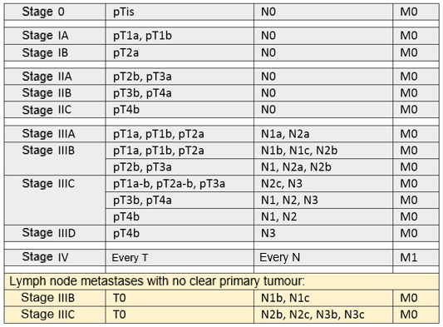
2) The table begins with 5 to avoid any confusion with tumour stages. 3) Patients with a malignant uveal, conjunctival, choroidal or mucosal malignoma were only counted for column P. No double entries. 4) Tx = tumour cannot be assessed. 5) The ICD codes that are recognised as primary cases can be found in the ICD-List spreadsheet.
Documentation examples at:
https://www.onkozert.de/organ/haut/ |  |  | or
https://www.krebsgesellschaft.de/zertdokumente.html
Some of the fields are inter-dependent. Each line should, therefore, be completely processed from left to right and continuously from top to bottom. Grey fields must be processed. The processing of the Excel template should be done with Microsoft Office 2010 or one of the later versions. Microsoft Office 2007 can be used with some constraints (e.g. information buttons are not displayed). Earlier versions of Microsoft Office 2007 are not suitable for processing the Excel template. All numbers and texts must be entered manually (not using copy/paste function; the exception are data which are entered by OncoBox). Each change to the basic data leads to a change in the Data Sheet. The document "Specifications Data Quality" sets out the basic principles of data assessment as part of the audit process. In particular details are given on how to deal with indicators where the target value is not met (download from www.onkozert.de; section Instructions).
Note:
*OPS-Codes 5-893 correspondance to OPS (1) surgical wound debridement and removal of affected tissue from the skin and subcutis

